Cable
SR NO. | Product Code | Category | Sub category | Sub category 1 | Photo
1
2
3
4
5
6
7
8
9
10
11
12
13
14
15
16
17
18
19
20
21
22 |  |  |  |  | 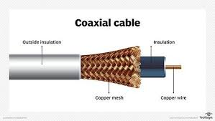
23 |  | Cable | Co-axial Cable | RG-O6 CCS
24 |  | Cable | Co-axial Cable | RG-06
25 |  | Cable | Co-axial Cable | RG-11
26 |  | Cable | Co-axial Cable | RG-11 CCS
27 |  | Cable | CCTV Cable | 2+1
28 |  | Cable | CCTV Cable | 3+1
29 |  | Cable | CCTV Cable | 4+1
30
31
32
33
34
35
36
37
38 |  | Cable | 3 C Flat Submersible Cables | 1.50Sqmm | 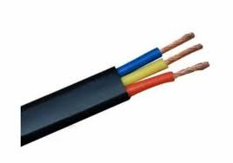
39 |  | Cable | 3 C Flat Submersible Cables | 2.50Sqmm
40 |  | Cable | 3 C Flat Submersible Cables | 4.00Sqmm
41 |  | Cable | 3 C Flat Submersible Cables | 6.00Sqmm
42 |  | Cable | 3 C Flat Submersible Cables | 10.00Sqmm
43 |  | Cable | 3 C Flat Submersible Cables | 16.00Sqmm
44 |  | Cable | 3 C Flat Submersible Cables | 25.00Sqmm
45 |  | Cable | Welding Cables | 16.00Sqmm | 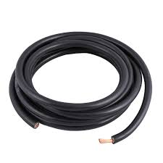
46 |  | Cable | Welding Cables | 25.00Sqmm
47 |  | Cable | Welding Cables | 35.00Sqmm
48 |  | Cable | Welding Cables | 50.00Sqmm
49 |  | Cable | Welding Cables | 70.00Sqmm
50 |  | Cable | Welding Cables | 95.00Sqmm
51 |  | Cable | Flexible (Frls) Insulated Cables 1Core | 0.50Sqmm | 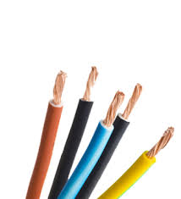
52 |  | Cable | Flexible (Frls) Insulated Cables 1Core | 0.75Sqmm
53 |  | Cable | Flexible (Frls) Insulated Cables 1Core | 1.00Sqmm
54 |  | Cable | Flexible (Frls) Insulated Cables 1Core | 1.50Sqmm
55 |  | Cable | Flexible (Frls) Insulated Cables 1Core | 2.00Sqmm
56 |  | Cable | Flexible (Frls) Insulated Cables 1Core | 2.50Sqmm
57 |  | Cable | Flexible (Frls) Insulated Cables 1Core | 4.00Sqmm
58 |  | Cable | Flexible (Frls) Insulated Cables 1Core | 6.00Sqmm
59 |  | Cable | Flexible (Frls) Insulated Cables 1Core | 10.00Sqmm
60 |  | Cable | Flexible (Frls) Insulated Cables 1Core | 16.00Sqmm
61 |  | Cable | Flexible (Frls) Insulated Cables 1Core | 25.00Sqmm
62 |  | Cable | Flexible (Frls) Insulated Cables 1Core | 35.00Sqmm
63 |  | Cable | Flexible (Frls) Insulated Cables 1Core | 50.00Sqmm
64 |  | Cable | Flexible (Frls) Insulated Cables 1Core | 70.00Sqmm
65 |  | Cable | Flexible (Frls) Insulated Cables 1Core | 95.00Sqmm
66 |  | Cable | Flexible (Frls) Insulated Cables 1Core | 120.00Sqmm
67 |  | Cable | Flexible (Frls) Insulated Cables 1Core | 150.00Sqmm
68 |  | Cable | Flexible (Frls) Insulated Cables 1Core | 185.00Sqmm
69 |  | Cable | Flexible (Frls) Insulated Cables 1Core | 240.00Sqmm
70 |  | Cable | Flexible (Frls) Insulated Cables 1Core | 300.00Sqmm
71 |  | Cable | Flexible (Frls) Insulated Cables 1Core | 400.00Sqmm
72 |  | Cable | 2 Core Copper Arm Cables | 1.5Sqmm x 2 Core Cu Arm Cable | 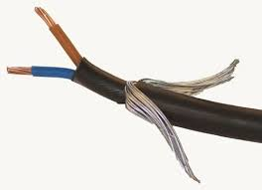
73 |  | Cable | 2 Core Copper Arm Cables | 2.5Sqmm x 2 Core Cu Arm Cable
74 |  | Cable | 2 Core Copper Arm Cables | 4Sqmm x 2 Core Cu Arm Cable
75 |  | Cable | 2 Core Copper Arm Cables | 6Sqmm x 2 Core Cu Arm Cable
76 |  | Cable | 2 Core Copper Arm Cables | 10Sqmm x 2 Core Cu Arm Cable
77 |  | Cable | 2 Core Copper Arm Cables | 16Sqmm x 2 Core Cu Arm Cable
78 |  | Cable | 2 Core Copper Arm Cables | 25Sqmm x 2 Core Cu Arm Cable
79 |  | Cable | 2 Core Copper Arm Cables | 35Sqmm x 2 Core Cu Arm Cable
80 |  | Cable | 2 Core Copper Arm Cables | 50Sqmm x 2 Core Cu Arm Cable
81 |  | Cable | 2 Core Copper Arm Cables | 70Sqmm x 2 Core Cu Arm Cable
82 |  | Cable | 2 Core Copper Arm Cables | 90Sqmm x 2 Core Cu Arm Cable
83 |  | Cable | 2 Core Copper Arm Cables | 120Sqmm x 2 Core Cu Arm Cable
84 |  | Cable | 2 Core Copper Arm Cables | 150Sqmm x 2 Core Cu Arm Cable
85 |  | Cable | 2 Core Copper Arm Cables | 185Sqmm x 2 Core Cu Arm Cable
86 |  | Cable | 2 Core Copper Arm Cables | 240Sqmm x 2 Core Cu Arm Cable
87 |  | Cable | 2 Core Copper Arm Cables | 300Sqmm x 2 Core Cu Arm Cable
88 |  | Cable | 2 Core aluminium Arm Cables | 6Sqmm x 2 Core AL Arm Cable | 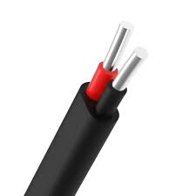
89 |  | Cable | 2 Core aluminium Arm Cables | 10Sqmm x 2 Core AL Arm Cable
90 |  | Cable | 2 Core aluminium Arm Cables | 16Sqmm x 2 Core AL Arm Cable
91 |  | Cable | 2 Core aluminium Arm Cables | 25Sqmm x 2 Core AL Arm Cable
92 |  | Cable | 2 Core aluminium Arm Cables | 35Sqmm x 2 Core AL Arm Cable
93 |  | Cable | 2 Core aluminium Arm Cables | 50Sqmm x2 Core AL Arm Cable
94 |  | Cable | 2 Core aluminium Arm Cables | 70Sqmm x 2 Core AL Arm Cable
95 |  | Cable | 2 Core aluminium Arm Cables | 95Sqmm x 2 Core AL Arm Cable
96 |  | Cable | 2 Core aluminium Arm Cables | 120Sqmm x 2 Core AL Arm Cable
97 |  | Cable | 2 Core aluminium Arm Cables | 150Sqmm x 2 Core AL Arm Cable
98 |  | Cable | 2 Core aluminium Arm Cables | 185Sqmm x 2 Core AL Arm Cable
99 |  | Cable | 2 Core aluminium Arm Cables | 240Sqmm x 2 Core AL Arm Cable
100 |  | Cable | 2 Core aluminium Arm Cables | 300Sqmm x 2 Core AL Arm Cable
101 |  | Cable | 3 Core Copper Arm Cables | 1.5Sqmm x 3 Core Cu Arm Cable | 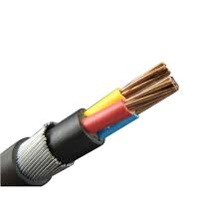
102 |  | Cable | 3 Core Copper Arm Cables | 2.5Sqmm x 3 Core Cu Arm Cable
103 |  | Cable | 3 Core Copper Arm Cables | 4Sqmm x 3 Core Cu Arm Cable
104 |  | Cable | 3 Core Copper Arm Cables | 6Sqmm x 3 Core Cu Arm Cable
105 |  | Cable | 3 Core Copper Arm Cables | 10Sqmm x 3 Core Cu Arm Cable
106 |  | Cable | 3 Core Copper Arm Cables | 16Sqmm x 3 Core Cu Arm Cable
107 |  | Cable | 3 Core Copper Arm Cables | 25Sqmm x 3 Core Cu Arm Cable
108 |  | Cable | 3 Core Copper Arm Cables | 35Sqmm x 3 Core Cu Arm Cable
109 |  | Cable | 3 Core Copper Arm Cables | 50Sqmm x 3 Core Cu Arm Cable
110 |  | Cable | 3 Core Copper Arm Cables | 70Sqmm x 3 Core Cu Arm Cable
111 |  | Cable | 3 Core Copper Arm Cables | 90Sqmm x 3 Core Cu Arm Cable
112 |  | Cable | 3 Core Copper Arm Cables | 120Sqmm x 3 Core Cu Arm Cable
113 |  | Cable | 3 Core Copper Arm Cables | 150Sqmm x 3 Core Cu Arm Cable
114 |  | Cable | 3 Core Copper Arm Cables | 185Sqmm x 3 Core Cu Arm Cable
115 |  | Cable | 3 Core Copper Arm Cables | 240Sqmm x 3 Core Cu Arm Cable
116 |  | Cable | 3 Core Copper Arm Cables | 300Sqmm x 3 Core Cu Arm Cable
117 |  | Cable | 3 Core aluminium Arm Cables | 6Sqmm x 3 Core AL Arm Cable | 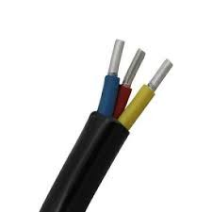
118 |  | Cable | 3 Core aluminium Arm Cables | 10Sqmm x 3 Core AL Arm Cable
119 |  | Cable | 3 Core aluminium Arm Cables | 16Sqmm x 3 Core AL Arm Cable
120 |  | Cable | 3 Core aluminium Arm Cables | 25Sqmm x 3 Core AL Arm Cable
121 |  | Cable | 3 Core aluminium Arm Cables | 35Sqmm x 3 Core AL Arm Cable
122 |  | Cable | 3 Core aluminium Arm Cables | 50Sqmm x3 Core AL Arm Cable
123 |  | Cable | 3 Core aluminium Arm Cables | 70Sqmm x 3 Core AL Arm Cable
124 |  | Cable | 3 Core aluminium Arm Cables | 95Sqmm x 3 Core AL Arm Cable
125 |  | Cable | 3 Core aluminium Arm Cables | 120Sqmm x 3 Core AL Arm Cable
126 |  | Cable | 3 Core aluminium Arm Cables | 150Sqmm x 3 Core AL Arm Cable
127 |  | Cable | 3 Core aluminium Arm Cables | 185Sqmm x 3 Core AL Arm Cable
128 |  | Cable | 3 Core aluminium Arm Cables | 240Sqmm x 3 Core AL Arm Cable
129 |  | Cable | 3 Core aluminium Arm Cables | 300Sqmm x 3 Core AL Arm Cable
130 |  | Cable | 3.5 Core aluminium Arm Cables | 25Sqmm x 3.5 Core AL Arm Cable
131 |  | Cable | 3.5 Core aluminium Arm Cables | 35Sqmm x 3.5 Core AL Arm Cable
132 |  | Cable | 3.5 Core aluminium Arm Cables | 50Sqmm x3.5 Core AL Arm Cable
133 |  | Cable | 3.5 Core aluminium Arm Cables | 70Sqmm x 3.5 Core AL Arm Cable
134 |  | Cable | 3.5 Core aluminium Arm Cables | 95Sqmm x 3.5 Core AL Arm Cable
135 |  | Cable | 3.5 Core aluminium Arm Cables | 120Sqmm x 3.5 Core AL Arm Cable
136 |  | Cable | 3.5 Core aluminium Arm Cables | 150Sqmm x 3.5 Core AL Arm Cable
137 |  | Cable | 3.5 Core aluminium Arm Cables | 185Sqmm x 3.5 Core AL Arm Cable
138 |  | Cable | 3.5 Core aluminium Arm Cables | 240Sqmm x 3.5 Core AL Arm Cable
139 |  | Cable | 3.5 Core aluminium Arm Cables | 300Sqmm x 3.5 Core AL Arm Cable
140 |  | Cable | 4 Core Copper Arm Cables | 1.5Sqmm x 4 Core Cu Arm Cable | 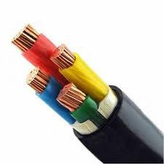
141 |  | Cable | 4 Core Copper Arm Cables | 2.5Sqmm x 4 Core Cu Arm Cable
142 |  | Cable | 4 Core Copper Arm Cables | 4Sqmm x 4 Core Cu Arm Cable
143 |  | Cable | 4 Core Copper Arm Cables | 6Sqmm x 4 Core Cu Arm Cable
144 |  | Cable | 4 Core Copper Arm Cables | 10Sqmm x 4 Core Cu Arm Cable
145 |  | Cable | 4 Core Copper Arm Cables | 16Sqmm x 4 Core Cu Arm Cable
146 |  | Cable | 4 Core Copper Arm Cables | 25Sqmm x 4 Core Cu Arm Cable
147 |  | Cable | 4 Core Copper Arm Cables | 35Sqmm x 4 Core Cu Arm Cable
148 |  | Cable | 4 Core Copper Arm Cables | 50Sqmm x 4 Core Cu Arm Cable
149 |  | Cable | 4 Core Copper Arm Cables | 70Sqmm x 4 Core Cu Arm Cable
150 |  | Cable | 4 Core Copper Arm Cables | 90Sqmm x 4 Core Cu Arm Cable
151 |  | Cable | 4 Core Copper Arm Cables | 120Sqmm x 4 Core Cu Arm Cable
152 |  | Cable | 4 Core Copper Arm Cables | 150Sqmm x 4 Core Cu Arm Cable
153 |  | Cable | 4 Core Copper Arm Cables | 185Sqmm x 4 Core Cu Arm Cable
154 |  | Cable | 4 Core Copper Arm Cables | 240Sqmm x 4 Core Cu Arm Cable
155 |  | Cable | 4 Core Copper Arm Cables | 300Sqmm x 4 Core Cu Arm Cable
156 |  | Cable | 4 Core aluminium Arm Cables | 6Sqmm x 4 Core AL Arm Cable | 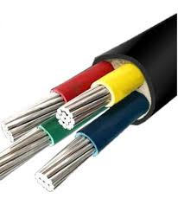
157 |  | Cable | 4 Core aluminium Arm Cables | 10Sqmm x 4 Core AL Arm Cable
158 |  | Cable | 4 Core aluminium Arm Cables | 16Sqmm x 4 Core AL Arm Cable
159 |  | Cable | 4 Core aluminium Arm Cables | 25Sqmm x 4 Core AL Arm Cable
160 |  | Cable | 4 Core aluminium Arm Cables | 35Sqmm x 4 Core AL Arm Cable
161 |  | Cable | 4 Core aluminium Arm Cables | 50Sqmm x4 Core AL Arm Cable
162 |  | Cable | 4 Core aluminium Arm Cables | 70Sqmm x 4 Core AL Arm Cable
163 |  | Cable | 4 Core aluminium Arm Cables | 95Sqmm x 4 Core AL Arm Cable
164 |  | Cable | 4 Core aluminium Arm Cables | 120Sqmm x 4 Core AL Arm Cable
165 |  | Cable | 4 Core aluminium Arm Cables | 150Sqmm x 4 Core AL Arm Cable
166 |  | Cable | 4 Core aluminium Arm Cables | 185Sqmm x 4 Core AL Arm Cable
167 |  | Cable | 4 Core aluminium Arm Cables | 240Sqmm x 4 Core AL Arm Cable
168 |  | Cable | 4 Core aluminium Arm Cables | 300Sqmm x 4 Core AL Arm Cable
169 |  | Cable | Fire Survival Cables | 2 Core 4 sq.mm. | 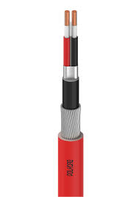
170 |  | Cable | Fire Survival Cables | 2 Core 10 sq.mm
171 |  | Cable | Fire Survival Cables | 2 Core 16 sq.mm.
172 |  | Cable | Fire Survival Cables | 3 Core 4 sq.mm.
173 |  | Cable | Fire Survival Cables | 3 Core 6 sq.mm.
174 |  | Cable | Fire Survival Cables | 3 Core 10 sq.mm.
175 |  | Cable | Fire Survival Cables | 3 Core 16 sq.mm.
176 |  | Cable | Fire Survival Cables | 3.5 Core 25 sq.mm.
177 |  | Cable | Fire Survival Cables | 3.5 Core 35 sq.mm.
178 |  | Cable | Fire Survival Cables | 3.5 Core 50 sq.mm.
179 |  | Cable | Fire Survival Cables | 3.5 Core 70 sq.mm.
180 |  | Cable | Fire Survival Cables | 3.5 Core 95 sq.mm.
181 |  | Cable | Fire Survival Cables | 3.5 Core 120 sq.mm.
182 |  | Cable | Fire Survival Cables | 3.5 Core 150 sq.mm
183 |  | Cable | Fire Survival Cables | 3.5 Core 185 sq.mm.
184 |  | Cable | Fire Survival Cables | 3.5 Core 240 sq.mm
185 |  | Cable | Fire Survival Cables | 3.5 Core 300 sq.mm.
186 |  | Cable | Fire Survival Cables | 3.5 Core 400 sq.mm.
187 |  | Cable | Fire Survival Cables | 4 Core 2.5 sq.mm.
188 |  | Cable | Fire Survival Cables | 4 Core 4 sq.mm
189 |  | Cable | Fire Survival Cables | 4 Core 6 Sq.mm.
190 |  | Cable | Fire Survival Cables | 4 Core 10 sq.mm.
191 |  | Cable | Fire Survival Cables | 4 Core 16 sq.mm.
192 |  | Cable | Fire Survival Cables | 7 Core 2.5 sq.mm.
193 |  | Cable | Fire Survival Cables | 12 Core 2.5 sq.mm
194 |  |  | FRZH CABLES
195 |  | Cable | CU/XLPE/LSZH/RWA/LSZH | 2C X 4Sqmm
196 |  | Cable | CU/XLPE/LSZH/RWA/LSZH | 2 X 10
197 |  | Cable | CU/XLPE/LSZH/RWA/LSZH | 2 X 16
198 |  | Cable | CU/XLPE/LSZH/RWA/LSZH | 3 X 4
199 |  | Cable | CU/XLPE/LSZH/RWA/LSZH | 3 X 6
200 |  | Cable | CU/XLPE/LSZH/RWA/LSZH | 3 X 10
201 |  | Cable | CU/XLPE/LSZH/RWA/LSZH | 3 X 16
202 |  | Cable | CU/XLPE/LSZH/RWA/LSZH | 4 X 2.5
203 |  | Cable | CU/XLPE/LSZH/RWA/LSZH | 4 X 4
204 |  | Cable | CU/XLPE/LSZH/RWA/LSZH | 4 X 6
205 |  | Cable | CU/XLPE/LSZH/RWA/LSZH | 4 X 10
206 |  | Cable | CU/XLPE/LSZH/RWA/LSZH | 4 X 16
207 |  | Cable | CU/XLPE/LSZH/RWA/LSZH | 12C X 2.5Sqmm

Junction Box
SR NO | Product Code | Category | Sub category | Sub category 1 | Photo
1 |  | Junction Box | CIRCULAR BOX - TERMINAL (1 WAY) | 19mm | 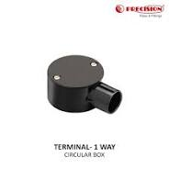
2 |  | Junction Box | CIRCULAR BOX - TERMINAL (1 WAY) | 20mm
3 |  | Junction Box | CIRCULAR BOX - TERMINAL (1 WAY) | 25mm
4 |  | Junction Box | CIRCULAR BOX - TERMINAL (1 WAY) | 32mm
5 |  | Junction Box | CIRCULAR BOX - TERMINAL (1 WAY) | 40mm
6 |  | Junction Box | CIRCULAR BOX - ANGLE (2 WAY) | 19mm | 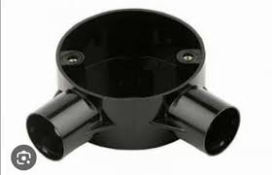
7 |  | Junction Box | CIRCULAR BOX - ANGLE (2 WAY) | 20mm
8 |  | Junction Box | CIRCULAR BOX - ANGLE (2 WAY) | 25mm
9 |  | Junction Box | CIRCULAR BOX - ANGLE (2 WAY) | 32mm
10 |  | Junction Box | CIRCULAR BOX - ANGLE (2 WAY) | 40mm
11 |  | Junction Box | CIRCULAR BOX - THROUGH (2 WAY) | 19mm | 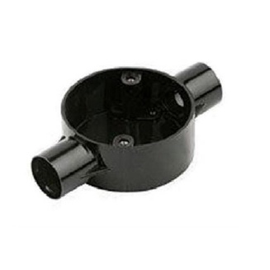
12 |  | Junction Box | CIRCULAR BOX - THROUGH (2 WAY) | 20mm
13 |  | Junction Box | CIRCULAR BOX - THROUGH (2 WAY) | 25mm
14 |  | Junction Box | CIRCULAR BOX - THROUGH (2 WAY) | 32mm
15 |  | Junction Box | CIRCULAR BOX - THROUGH (2 WAY) | 40mm
16 |  | Junction Box | CIRCULAR BOX - TEE (3 WAY) | 19mm | 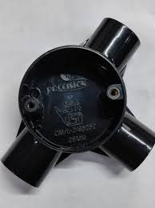
17 |  | Junction Box | CIRCULAR BOX - TEE (3 WAY) | 20mm
18 |  | Junction Box | CIRCULAR BOX - TEE (3 WAY) | 25mm
19 |  | Junction Box | CIRCULAR BOX - TEE (3 WAY) | 32mm
20 |  | Junction Box | CIRCULAR BOX - TEE (3 WAY) | 40mm
21 |  | Junction Box | CIRCULAR BOX - INTERSECTION (4 WAY) | 19mm | 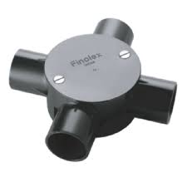
22 |  | Junction Box | CIRCULAR BOX - INTERSECTION (4 WAY) | 20mm
23 |  | Junction Box | CIRCULAR BOX - INTERSECTION (4 WAY) | 25mm
24 |  | Junction Box | CIRCULAR BOX - INTERSECTION (4 WAY) | 32mm
25 |  | Junction Box | CIRCULAR BOX - INTERSECTION (4 WAY) | 40mm
26 |  | Junction Box | DEEP CIRCULAR BOX - TERMINAL (1 WAY) | 19mm | 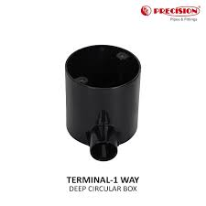
27 |  | Junction Box | DEEP CIRCULAR BOX - TERMINAL (1 WAY) | 20mm
28 |  | Junction Box | DEEP CIRCULAR BOX - TERMINAL (1 WAY) | 25mm
29 |  | Junction Box | DEEP CIRCULAR BOX - TERMINAL (1 WAY) | 32mm
30 |  | Junction Box | DEEP CIRCULAR BOX - ANGLE (2 WAY) | 19mm | 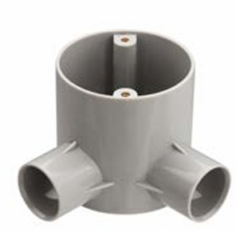
31 |  | Junction Box | DEEP CIRCULAR BOX - ANGLE (2 WAY) | 20mm
32 |  | Junction Box | DEEP CIRCULAR BOX - ANGLE (2 WAY) | 25mm
33 |  | Junction Box | DEEP CIRCULAR BOX - ANGLE (2 WAY) | 32mm
34 |  | Junction Box | DEEP CIRCULAR BOX - THROUGH (2 WAY) | 19mm | 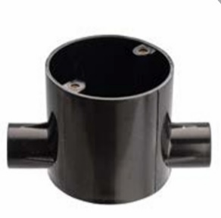
35 |  | Junction Box | DEEP CIRCULAR BOX - THROUGH (2 WAY) | 20mm
36 |  | Junction Box | DEEP CIRCULAR BOX - THROUGH (2 WAY) | 25mm
37 |  | Junction Box | DEEP CIRCULAR BOX - THROUGH (2 WAY) | 32mm
38 |  | Junction Box | DEEP CIRCULAR BOX - TEE (3 WAY) | 19mm | 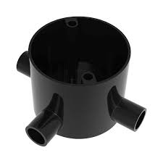
39 |  | Junction Box | DEEP CIRCULAR BOX - TEE (3 WAY) | 20mm
40 |  | Junction Box | DEEP CIRCULAR BOX - TEE (3 WAY) | 25mm
41 |  | Junction Box | DEEP CIRCULAR BOX - TEE (3 WAY) | 32mm
42 |  | Junction Box | DEEP CIRCULAR BOX - INTERSECTION (4 WAY) | 19mm | 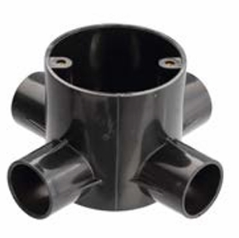
43 |  | Junction Box | DEEP CIRCULAR BOX - INTERSECTION (4 WAY) | 20mm
44 |  | Junction Box | DEEP CIRCULAR BOX - INTERSECTION (4 WAY) | 25mm
45 |  | Junction Box | DEEP CIRCULAR BOX - INTERSECTION (4 WAY) | 32mm
46 |  | Junction Box | CIRCULAR BOX BRANCH - 2 WAY (U) | 20mm | 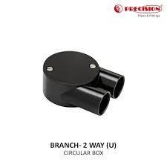
47 |  | Junction Box | CIRCULAR BOX BRANCH - 2 WAY (U) | 25mm
48 |  | Junction Box | CIRCULAR BOX BRANCH - 3 WAY (Y) | 20mm
49 |  | Junction Box | CIRCULAR BOX BRANCH - 3 WAY (Y) | 25mm
50 |  | Junction Box | CIRCULAR BOX BRANCH - 4 WAY (H) | 20mm | 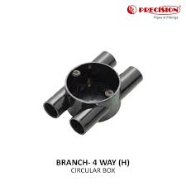
51 |  | Junction Box | CIRCULAR BOX BRANCH - 4 WAY (H) | 25mm
52 |  | Junction Box | CIRCULAR LID (WITH SCREW) | 65mm | 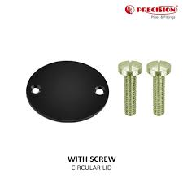
53 |  | Junction Box | CIRCULAR LID (WITH SCREW) | 80mm
54 |  | Junction Box | CIRCULAR LID (WITH SCREW) | 85mm
55 |  | Junction Box | CIRCULAR LID (WITH SCREW) | 90mm
56 |  | Junction Box | CIRCULAR LID (WITH SCREW) | 110mm
57 |  | Junction Box | CIRCULAR EXTENSION RING | 20mm
58 |  | Junction Box | CIRCULAR EXTENSION RING | 25mm
59 |  | Junction Box | LOOP IN BOX | 20mm | 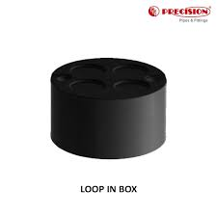
60 |  | Junction Box | FAN BOX | 20 Standard | 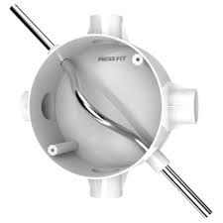
61 |  | Junction Box | FAN BOX | 25 Standard
62 |  | Junction Box | FAN BOX | 20 Large
63 |  | Junction Box | FAN BOX | 25 Large
64 |  | Junction Box | FAN BOX | 20/25 With Rod
65 |  | Junction Box | FAN BOX | 25 With Rod
66 |  | Junction Box | METAL FAN BOX (WITH ROD) | 20/25 | 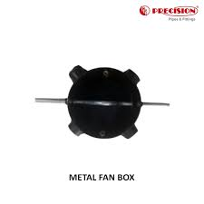
67 |  | COUPLER | COUPLER | 19
68 |  | COUPLER | COUPLER | 20
69 |  | COUPLER | COUPLER | 20 Long
70 |  | COUPLER | COUPLER | 25
71 |  | COUPLER | COUPLER | 32
72 |  | COUPLER | COUPLER | 40
73 |  | COUPLER | COUPLER | 50
74 |  | COUPLER | EXPAINSION COUPLER | 20
75 |  | COUPLER | EXPAINSION COUPLER | 25
76 |  | COUPLER | EXPAINSION COUPLER | 32
77 |  | COUPLER | EXPAINSION COUPLER | 40
78 |  | COUPLER | EXPAINSION COUPLER | 50
79 |  | COUPLER | REDUCER COUPLER (PIPE TO FITTING) | 25>20 | 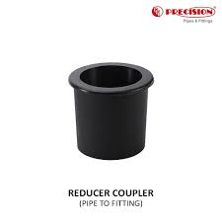
80 |  | COUPLER | REDUCER COUPLER (PIPE TO PIPE) | 25 > 20 | 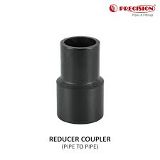
81 |  | COUPLER | REDUCER COUPLER (PIPE TO PIPE) | 32 > 20
82 |  | COUPLER | REDUCER COUPLER (PIPE TO PIPE) | 32 > 25
83 |  | COUPLER | REDUCER COUPLER (PIPE TO PIPE) | 40 > 20
84 |  | COUPLER | REDUCER COUPLER (PIPE TO PIPE) | 40 > 32
85 |  | COUPLER | REDUCER COUPLER (PIPE TO PIPE) | 50 > 32
86 |  | COUPLER | REDUCER COUPLER (PIPE TO PIPE) | 50 > 40
87 |  | COUPLER | SLIP TYPE BEND | 19mm | 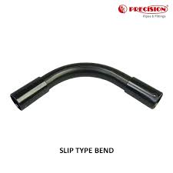
88 |  | COUPLER | SLIP TYPE BEND | 20mm
89 |  | COUPLER | SLIP TYPE BEND | 25mm
90 |  | COUPLER | SLIP TYPE BEND | 32mm
91 |  | COUPLER | SLIP TYPE BEND | 40mm
92 |  | COUPLER | SLIP TYPE BEND | 50mm
93 |  | COUPLER | SLIP TYPE BEND | 63mm
94 |  | COUPLER | SLIP TYPE LONG BEND | 19mm | 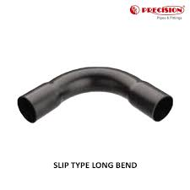
95 |  | COUPLER | SLIP TYPE LONG BEND | 20mm
96 |  | COUPLER | SLIP TYPE LONG BEND | 25mm
97 |  | COUPLER | SLIP TYPE LONG BEND | 32mm
98 |  | COUPLER | SLIP TYPE LONG BEND | 40mm
99 |  | COUPLER | SLIP TYPE LONG BEND | 50mm
100 |  | COUPLER | SPACE BAR SADDLE | 19mm | 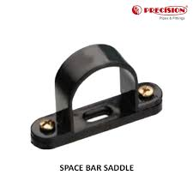
101 |  | COUPLER | SPACE BAR SADDLE | 20mm
102 |  | COUPLER | SPACE BAR SADDLE | 25mm
103 |  | COUPLER | SPACE BAR SADDLE | 32mm
104 |  | COUPLER | SPACE BAR SADDLE | 40mm
105 |  | COUPLER | SPACE BAR SADDLE | 50mm
106 |  | COUPLER | SPACE BAR SADDLE | 63mm
107 |  | COUPLER | ROUND'U' CLIP | 20mm
108 |  | COUPLER | END CAP | 19mm | 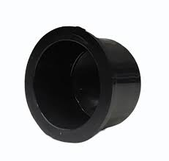
109 |  | COUPLER | END CAP | 20mm
110 |  | COUPLER | END CAP | 25mm
111 |  | COUPLER | END CAP | 32mm
112 |  | COUPLER | END CAP | 40mm
113 |  | COUPLER | END CAP | 50mm
114 |  | COUPLER | MALE BUSH ADAPTOR | 20mm
115 |  | COUPLER | MALE BUSH ADAPTOR | 25mm
116 |  | COUPLER | FEMALE BUSH ADAPTOR | 19mm | 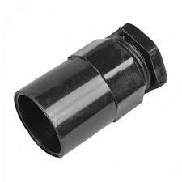
117 |  | COUPLER | FEMALE BUSH ADAPTOR | 20mm
118 |  | COUPLER | FEMALE BUSH ADAPTOR | 25mm
119 |  | COUPLER | FEMALE BUSH ADAPTOR | 32mm
120 |  | COUPLER | FEMALE BUSH ADAPTOR | 40mm
121 |  | COUPLER | FEMALE BUSH ADAPTOR | 50mm
122 |  | COUPLER | ROUND ELBOW | 20mm
123 |  | COUPLER | ROUND ELBOW | 25mm
124 |  | COUPLER | ROUND ELBOW | 32mm
125 |  | COUPLER | ROUND ELBOW | 40mm
126 |  | COUPLER | ROUND ELBOW | 50mm
127 |  | COUPLER | INSPECTION ELBOW | 20mm
128 |  | COUPLER | INSPECTION ELBOW | 25mm
129 |  | COUPLER | INSPECTION TEE | 20mm | 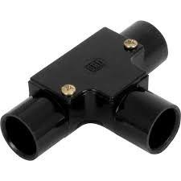
130 |  | COUPLER | INSPECTION TEE | 25mm
131 |  | COUPLER | INSPECTION BEND | 20mm
132 |  | COUPLER | INSPECTION BEND | 25mm
133 |  | COUPLER | ADAPTABLE BOX WITH LID | 3" x 3" x 2"
134 |  | COUPLER | ADAPTABLE BOX WITH LID | 4" x 4" x 3"
135 |  | COUPLER | ADAPTABLE BOX WITH LID | 6" x 6" x 3"
136 |  | COUPLER | ADAPTABLE BOX WITH LID | 9" x 9" x 3"
137 |  | COUPLER | ADAPTABLE BOX WITH LID | 12" x 12" x 4"
138 |  | COUPLER | PVC SOLVENT CEMENT | 250ml
139 |  | COUPLER | PVC SOLVENT CEMENT | 500ml
140 |  | COUPLER | PVC SOLVENT CEMENT | 1L
141 |  | COUPLER | PVC SOLVENT CEMENT | 5L
142 |  | PIPE | OVAL CONDUIT PVC PIPES | 16mm
143 |  | PIPE | OVAL CONDUIT PVC PIPES | 20mm
144 |  | PIPE | OVAL CONDUIT PVC PIPES | 25mm
145 |  | FITTING | OVAL CONNECTOR | 16mm | 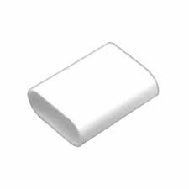
146 |  | FITTING | OVAL CONNECTOR | 20mm
147 |  | FITTING | OVAL CONNECTOR | 25mm
148 |  | FITTING | OVAL TEE | 16mm
149 |  | FITTING | OVAL TEE | 20mm
150 |  | FITTING | OVAL TEE | 25mm
151 |  | FITTING | OVAL INTERNAL BEND | 16mm | 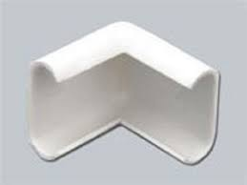
152 |  | FITTING | OVAL INTERNAL BEND | 20mm
153 |  | FITTING | OVAL INTERNAL BEND | 25mm
154 |  | FITTING | OVAL EXTERNAL BEND | 16mm
155 |  | FITTING | OVAL EXTERNAL BEND | 20mm
156 |  | FITTING | OVAL EXTERNAL BEND | 25mm
157 |  | FITTING | OVAL SADDLE STRAP | 16mm | 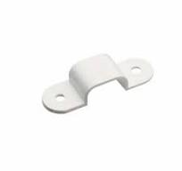
158 |  | FITTING | OVAL SADDLE STRAP | 20mm
159 |  | FITTING | OVAL SADDLE STRAP | 25mm
160 |  | FITTING | OVAL SADDLE STRAP BASE | Standard | 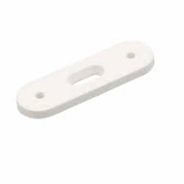
161 |  | FITTING | OVAL 'U' CLIP | 16mm
162 |  | FITTING | OVAL 'U' CLIP | 20mm
163 |  | FITTING | OVAL 'U' CLIP | 25mm
164 |  | FITTING | OVAL TO ROUND ADAPTOR | 16mm
165 |  | FITTING | OVAL TO ROUND ADAPTOR | 20mm
166 |  | FITTING | OVAL TO ROUND ADAPTOR | 25mm
167 |  | FITTING | UPVC MINI TRUNKING PROFILE | 20x12mm | 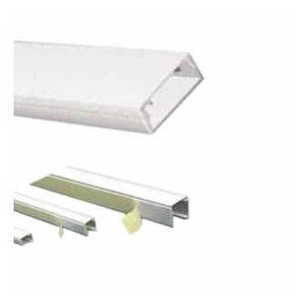
168 |  | FITTING | UPVC MINI TRUNKING PROFILE | 25x12mm
169 |  | FITTING | UPVC MINI TRUNKING PROFILE | 32x12mm
170 |  | FITTING | UPVC MINI TRUNKING PROFILE | 16x16mm
171 |  | FITTING | UPVC MINI TRUNKING PROFILE | 25x16mm
172 |  | FITTING | UPVC MINI TRUNKING PROFILE | 38x16mm
173 |  | FITTING | UPVC MINI TRUNKING PROFILE | 38x25mm
174 |  | FITTING | UPVC MINI TRUNKING PROFILE | 38x38mm
175 |  | FITTING | UPVC MINI TRUNKING PROFILE | 50x16mm
176 |  | FITTING | UPVC MINI TRUNKING PROFILE | 50x50mm
177 |  | FITTING | UPVC MINI TRUNKING PROFILE (SELF ADHESIVE) | 16x16mm
178 |  | FITTING | UPVC MINI TRUNKING PROFILE (SELF ADHESIVE) | 25x16mm
179 |  | FITTING | UPVC MINI TRUNKING PROFILE (SELF ADHESIVE) | 38x16mm
180 |  | FITTING | UPVC MINI TRUNKING PROFILE (SELF ADHESIVE) | 38x25mm
181 |  | FITTING | UPVC MAXI TRUNKING PROFILE | 75x50mm | 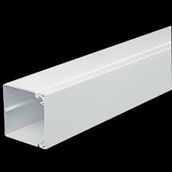
182 |  | FITTING | UPVC MAXI TRUNKING PROFILE | 75x75mm
183 |  | FITTING | UPVC MAXI TRUNKING PROFILE | 100x50mm
184 |  | FITTING | UPVC MAXI TRUNKING PROFILE | 100x100mm
185 |  | FITTING | UPVC MAXI TRUNKING PROFILE | 150x50mm
186 |  | FITTING | UPVC MAXI TRUNKING PROFILE DRIVER | Standard
187 |  | FITTING | RECTANGULAR CHANNEL PROFILE | 13X9mm
188 |  | FITTING | RECTANGULAR CHANNEL PROFILE | 25x9mm
189 |  | FITTING | RECTANGULAR CHANNEL PROFILE | 38x9mm
190 |  | FITTING | COUPLER | 20x12mm | 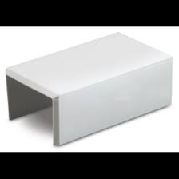
191 |  | FITTING | COUPLER | 25x12mm
192 |  | FITTING | COUPLER | 32x12mm
193 |  | FITTING | COUPLER | 16x16mm
194 |  | FITTING | COUPLER | 25x16mm
195 |  | FITTING | COUPLER | 38x16mm
196 |  | FITTING | COUPLER | 38x25mm
197 |  | FITTING | COUPLER | 50x50mm
198 |  | FITTING | COUPLER | 100x50mm
199 |  | FITTING | ELBOW | 20x12mm | 
200 |  | FITTING | ELBOW | 25x12mm
201 |  | FITTING | ELBOW | 32x12mm
202 |  | FITTING | ELBOW | 16x16mm
203 |  | FITTING | ELBOW | 25x16mm
204 |  | FITTING | ELBOW | 38x16mm
205 |  | FITTING | ELBOW | 38x25mm
206 |  | FITTING | ELBOW | 50x50mm
207 |  | FITTING | ELBOW | 100x50mm
208 |  | FITTING | TEE | 20x12mm | 
209 |  | FITTING | TEE | 25x12mm
210 |  | FITTING | TEE | 32x12mm
211 |  | FITTING | TEE | 16x16mm
212 |  | FITTING | TEE | 25x16mm
213 |  | FITTING | TEE | 38x16mm
214 |  | FITTING | TEE | 38x25mm
215 |  | FITTING | TEE | 50x50mm
216 |  | FITTING | TEE | 100x50mm
217 |  | FITTING | INTERNAL BEND | 25x12mm | 
218 |  | FITTING | INTERNAL BEND | 32x12mm
219 |  | FITTING | INTERNAL BEND | 16x16mm
220 |  | FITTING | INTERNAL BEND | 25x16mm
221 |  | FITTING | INTERNAL BEND | 38x16mm
222 |  | FITTING | INTERNAL BEND | 38x25mm
223 |  | FITTING | INTERNAL BEND | 50x50mm
224 |  | FITTING | INTERNAL BEND | 100x50mm
225 |  | FITTING | EXTERNAL BEND | 25x12mm
226 |  | FITTING | EXTERNAL BEND | 32x12mm
227 |  | FITTING | EXTERNAL BEND | 16x16mm
228 |  | FITTING | EXTERNAL BEND | 25x16mm
229 |  | FITTING | EXTERNAL BEND | 38x16mm
230 |  | FITTING | EXTERNAL BEND | 38x25mm
231 |  | FITTING | EXTERNAL BEND | 50x50mm
232 |  | FITTING | EXTERNAL BEND | 100x50mm
233 |  | COUPLER | Male FLEXIBLE ADPATER | 20mm
234 |  | COUPLER | Male FLEXIBLE ADPATER | 25mm
235 |  | COUPLER | Male FLEXIBLE ADPATER | 32mm
236 |  | COUPLER | Female FLEXIBLE ADPATER | 20mm
237 |  | COUPLER | Female FLEXIBLE ADPATER | 25mm
238 |  | COUPLER | Female FLEXIBLE ADPATER | 32mm

SG
SR NO | Product Code | Category | Sub category | Sub category 1 | Sub category 2 | Photo
1 |  | Switchgears | MCB | MCB (Single pole) | 0.5A, 1M | 
2 |  | Switchgears | MCB | MCB (Single pole) | 1A, 1M
3 |  | Switchgears | MCB | MCB (Single pole) | 2A, 1M
4 |  | Switchgears | MCB | MCB (Single pole) | 3A, 1M
5 |  | Switchgears | MCB | MCB (Single pole) | 4A, 1M
6 |  | Switchgears | MCB | MCB (Single pole) | 6A, 1M
7 |  | Switchgears | MCB | MCB (Single pole) | 10A, 1M
8 |  | Switchgears | MCB | MCB (Single pole) | 16A, 1M
9 |  | Switchgears | MCB | MCB (Single pole) | 20A, 1M
10 |  | Switchgears | MCB | MCB (Single pole) | 25A, 1M
11 |  | Switchgears | MCB | MCB (Single pole) | 32A, 1M
12 |  | Switchgears | MCB | MCB (Single pole) | 40A, 1M
13 |  | Switchgears | MCB | MCB (Single pole) | 50A, 1M
14 |  | Switchgears | MCB | MCB (Single pole) | 63A, 1M
15 |  | Switchgears | MCB | MCB (Double pole) | 0.5A, 2M | 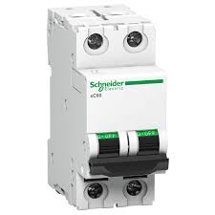
16 |  | Switchgears | MCB | MCB (Double pole) | 1A, 2M
17 |  | Switchgears | MCB | MCB (Double pole) | 2A, 2M
18 |  | Switchgears | MCB | MCB (Double pole) | 3A, 2M
19 |  | Switchgears | MCB | MCB (Double pole) | 4A, 2M
20 |  | Switchgears | MCB | MCB (Double pole) | 6A, 2M
21 |  | Switchgears | MCB | MCB (Double pole) | 10A, 2M
22 |  | Switchgears | MCB | MCB (Double pole) | 16A, 2M
23 |  | Switchgears | MCB | MCB (Double pole) | 20A,2M
24 |  | Switchgears | MCB | MCB (Double pole) | 25A, 2M
25 |  | Switchgears | MCB | MCB (Double pole) | 32A, 2M
26 |  | Switchgears | MCB | MCB (Double pole) | 40A, 2M
27 |  | Switchgears | MCB | MCB (Double pole) | 50A, 2M
28 |  | Switchgears | MCB | MCB (Double pole) | 63A, 2M
29 |  | Switchgears | MCB | MCB (Triple pole) | 0.5A, 3M | 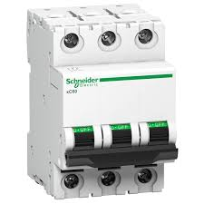
30 |  | Switchgears | MCB | MCB (Triple pole) | 1A, 3M
31 |  | Switchgears | MCB | MCB (Triple pole) | 2A, 3M
32 |  | Switchgears | MCB | MCB (Triple pole) | 3A, 3M
33 |  | Switchgears | MCB | MCB (Triple pole) | 4A, 3M
34 |  | Switchgears | MCB | MCB (Triple pole) | 6A, 3M
35 |  | Switchgears | MCB | MCB (Triple pole) | 10A, 3M
36 |  | Switchgears | MCB | MCB (Triple pole) | 16A, 3M
37 |  | Switchgears | MCB | MCB (Triple pole) | 20A, 3M
38 |  | Switchgears | MCB | MCB (Triple pole) | 25A, 3M
39 |  | Switchgears | MCB | MCB (Triple pole) | 32A, 3M
40 |  | Switchgears | MCB | MCB (Triple pole) | 40A, 3M
41 |  | Switchgears | MCB | MCB (Triple pole) | 50A, 3M
42 |  | Switchgears | MCB | MCB (Triple pole) | 63A, 3M
43 |  | Switchgears | MCB | MCB (Four pole) | 0.5A, 4M | 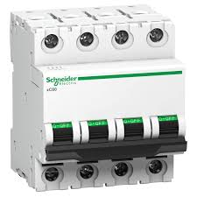
44 |  | Switchgears | MCB | MCB (Four pole) | 1A, 4M
45 |  | Switchgears | MCB | MCB (Four pole) | 2A, 4M
46 |  | Switchgears | MCB | MCB (Four pole) | 3A, 4M
47 |  | Switchgears | MCB | MCB (Four pole) | 4A, 4M
48 |  | Switchgears | MCB | MCB (Four pole) | 6A, 4M
49 |  | Switchgears | MCB | MCB (Four pole) | 10A, 4M
50 |  | Switchgears | MCB | MCB (Four pole) | 16A, 4M
51 |  | Switchgears | MCB | MCB (Four pole) | 20A, 4M
52 |  | Switchgears | MCB | MCB (Four pole) | 25A, 4M
53 |  | Switchgears | MCB | MCB (Four pole) | 32A, 4M
54 |  | Switchgears | MCB | MCB (Four pole) | 40A, 4M
55 |  | Switchgears | MCB | MCB (Four pole) | 50A, 4M
56 |  | Switchgears | MCB | MCB (Four pole) | 63A, 4M
57 |  | Switchgears | RCCB | RCCB(Double Pole) | 16A, 2M | 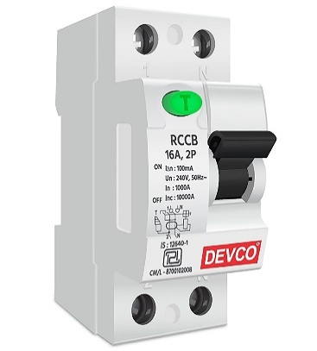
58 |  | Switchgears | RCCB | RCCB(Double Pole) | 25A, 2M
59 |  | Switchgears | RCCB | RCCB(Double Pole) | 40A, 2M
60 |  | Switchgears | RCCB | RCCB(Double Pole) | 63A, 2M
61 |  | Switchgears | RCCB | RCCB(Double Pole) | 100A, 2M
62 |  | Switchgears | RCCB | RCCB(Four Pole) | 25A, 4M | 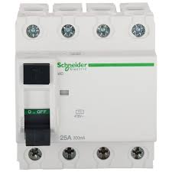
63 |  | Switchgears | RCCB | RCCB(Four Pole) | 40A, 4M
64 |  | Switchgears | RCCB | RCCB(Four Pole) | 63A, 4M
65 |  | Switchgears | RCCB | RCCB(Four Pole) | 100A, 4M
66 |  | Switchgears | MCCB |  | 125A | 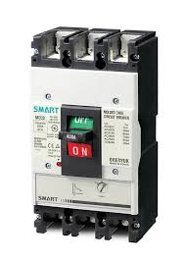
67 |  | Switchgears | MCCB |  | 160A
68 |  | Switchgears | MCCB |  | 250A
69 |  | Switchgears | MCCB |  | 320A
70 |  | Switchgears | MCCB |  | 400A
71 |  | Switchgears | MCCB |  | 500A
72 |  | Switchgears | MCCB |  | 600A
73 |  | Switchgears | MCCB |  | 630A
74 |  | Switchgears | MCCB |  | 800A
75 |  | Switchgears | MCCB |  | 1000A
76 |  | Switchgears | MCCB |  | 1250A
77 |  | Switchgears | MCCB |  | 1600A
78 |  | Switchgears | MCCB |  | 2000A
79 |  | Switchgears | MCCB |  | 2800A
80 |  | Switchgears | MCCB |  | 3200A
81 |  | Switchgears | RCBO (2 Pole) 240 VAC | 30mA | 32A | 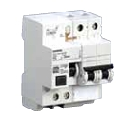
82 |  | Switchgears | RCBO (2 Pole) 240 VAC | 30mA | 40A
83 |  | Switchgears | RCBO (2 Pole) 240 VAC | 30mA | 63A
84 |  | Switchgears | RCBO (2 Pole) 240 VAC | 100mA | 32A
85 |  | Switchgears | RCBO (2 Pole) 240 VAC | 100mA | 40A
86 |  | Switchgears | RCBO (2 Pole) 240 VAC | 100mA | 63A
87 |  | Switchgears | RCBO (2 Pole) 240 VAC | 300mA | 32A
88 |  | Switchgears | RCBO (2 Pole) 240 VAC | 300mA | 40A
89 |  | Switchgears | RCBO (2 Pole) 240 VAC | 300mA | 63A
90 |  | Switchgears | RCBO (2 Pole) 415 VAC | 30mA | 32A | 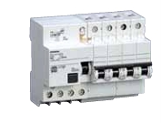
91 |  | Switchgears | RCBO (2 Pole) 415 VAC | 30mA | 40A
92 |  | Switchgears | RCBO (2 Pole) 415 VAC | 30mA | 63A
93 |  | Switchgears | RCBO (2 Pole) 415 VAC | 100mA | 32A
94 |  | Switchgears | RCBO (2 Pole) 415 VAC | 100mA | 40A
95 |  | Switchgears | RCBO (2 Pole) 415 VAC | 100mA | 63A
96 |  | Switchgears | RCBO (2 Pole) 415 VAC | 300mA | 32A
97 |  | Switchgears | RCBO (2 Pole) 415 VAC | 300mA | 40A
98 |  | Switchgears | RCBO (2 Pole) 415 VAC | 300mA | 63A
99 |  | Switchgears | RCBO(1POLE+N) | 30mA | 6A | 
100 |  | Switchgears | RCBO(1POLE+N) | 30mA | 10A
101 |  | Switchgears | RCBO(1POLE+N) | 30mA | 16A
102 |  | Switchgears | RCBO(1POLE+N) | 30mA | 20A
103 |  | Switchgears | RCBO(1POLE+N) | 30mA | 25A
104 |  | Switchgears | RCBO(1POLE+N) | 30mA | 32A
105 |  | Switchgears | RCBO(1POLE+N) | 30mA | 40A
106 |  | Switchgears | RCBO(1POLE+N) | 300mA | 6A
107 |  | Switchgears | RCBO(1POLE+N) | 300mA | 10A
108 |  | Switchgears | RCBO(1POLE+N) | 300mA | 16A
109 |  | Switchgears | RCBO(1POLE+N) | 300mA | 20A
110 |  | Switchgears | RCBO(1POLE+N) | 300mA | 25A
111 |  | Switchgears | RCBO(1POLE+N) | 300mA | 32A
112 |  | Switchgears | RCBO(1POLE+N) | 300mA | 40A
113 |  | Switchgears | CONTACTORS | 2NO contacts, 230Vac | 20A | 
114 |  | Switchgears | CONTACTORS | 3NO+1NC contacts, 230Vac/220Vdc (1NC contact rated for 30A) | 40A
115 |  | Switchgears | CONTACTORS | 3NO+1NC contacts, 24Vac/24Vdc (1NC contact rated for 30A) | 40A
116 |  | Switchgears | CONTACTORS | 4NO contacts, 230Vac/220Vdc | 40A
117 |  | Switchgears | CONTACTORS | 4NO contacts, 24Vac/24Vdc | 40A
118 |  | Switchgears | CONTACTORS | 3NO+1NC contacts, 230Vac/220Vdc (1NC contact rated for 30A) | 63A
119 |  | Switchgears | CONTACTORS | 3NO+1NC contacts, 24Vac/24Vdc, (1NC contact rated for 30A) | 63A
120 |  | Switchgears | CONTACTORS | 4NO contacts, 230Vac/220Vdc | 63A
121 |  | Switchgears | CONTACTORS | 4NO contacts, 24Vac/24Vdc | 63A
122 |  | Switchgears | CONTACTORS | 2NO contacts, 230Vac | 20A | 
123 |  | Switchgears | CONTACTORS | 1NO+1NC contacts, 230Vac | 20A
124 |  | Switchgears | CONTACTORS | 4NO contacts, 230Vac | 25A
125 |  | Switchgears | CONTACTORS | 4NO contacts, 400Vac | 40A
126 |  | Switchgears | CONTACTORS | 4NO contacts, 400Vac | 63A
127 |  | Switchgears | CHANGEOVER | CHANGEOVER(Double Pole) | 25A,2M | 
128 |  | Switchgears | CHANGEOVER | CHANGEOVER(Double Pole) | 40A,2M
129 |  | Switchgears | CHANGEOVER | CHANGEOVER(Double Pole) | 63A,4M
130 |  | Switchgears | CHANGEOVER | CHANGEOVER( Four Pole) | 40A,2M
131 |  | Switchgears | CHANGEOVER | CHANGEOVER( Four Pole) | 63A,4M
132 |  | Switchgears | ISOLATING SWITCHES | ISOLATING SWITCHES (Single Pole)) | 16A | 
133 |  | Switchgears | ISOLATING SWITCHES | ISOLATING SWITCHES(Double Pole) | 25A
134 |  | Switchgears | ISOLATING SWITCHES | ISOLATING SWITCHES(Double POLE) | 32A
135 |  | Switchgears | ISOLATING SWITCHES | ISOLATING SWITCHES(Double POLE) | 40A,2M
136 |  | Switchgears | ISOLATING SWITCHES | ISOLATING SWITCHES(Double POLE) | 63A.2M
137 |  | Switchgears | ISOLATING SWITCHES | ISOLATING SWITCHES(Double POLE) | 100A,2M
138 |  | Switchgears | ISOLATING SWITCHES | ISOLATING SWITCHES(Double POLE) | 125A,2M
139 |  | Switchgears | ISOLATING SWITCHES | ISOLATING SWITCHES (Four Pole) | 32A,4M | 
140 |  | Switchgears | ISOLATING SWITCHES | ISOLATING SWITCHES (Four Pole) | 40A,4M
141 |  | Switchgears | ISOLATING SWITCHES | ISOLATING SWITCHES (Four Pole) | 63A.4M
142 |  | Switchgears | ISOLATING SWITCHES | ISOLATING SWITCHES (Four Pole) | 100A,4M
143 |  | Switchgears | ISOLATING SWITCHES | ISOLATING SWITCHES (Four Pole) | 125A,4M
144 |  | Switchgears | Busbar | Busbar | 100A | 
145 |  | Switchgears | Busbar | Busbar | 125A
146 |  | Switchgears | Busbar | Busbar | 150A
147 |  | Switchgears | Busbar | Busbar | 200A
148 |  | Switchgears | Busbar | Busbar | 250A
149 |  | Switchgears | Busbar | Busbar | 315A
150 |  | Switchgears | Busbar | Busbar | 400A
151 |  | Switchgears | Busbar | Busbar | 500A
152 |  | Switchgears | Busbar | Busbar | 800A
153 |  | Switchgears | Busbar | Busbar | 1000A

Pipe
SR NO | Product Code | Category | Sub category | Sub category 1 | Photo
1 |  | PVC CONDUIT PIPE | LMS (LIGHT MECHANICAL STRESS) FRLS | 16mm | 
2 |  | PVC CONDUIT PIPE | LMS (LIGHT MECHANICAL STRESS) FRLS | 19mm
3 |  | PVC CONDUIT PIPE | LMS (LIGHT MECHANICAL STRESS) FRLS | 20mm
4 |  | PVC CONDUIT PIPE | LMS (LIGHT MECHANICAL STRESS) FRLS | 25mm
5 |  | PVC CONDUIT PIPE | LMS (LIGHT MECHANICAL STRESS) FRLS | 30mm
6 |  | PVC CONDUIT PIPE | LMS (LIGHT MECHANICAL STRESS) FRLS | 40mm
7 |  | PVC CONDUIT PIPE | LMS (LIGHT MECHANICAL STRESS) FRLS | 50mm
8 |  | PVC CONDUIT PIPE | LMS (LIGHT MECHANICAL STRESS) FRLS | 63mm
9 |  | PVC CONDUIT PIPE | MMS (MEDIUM MECHANICAL STRESS) FRLS | 16mm
10 |  | PVC CONDUIT PIPE | MMS (MEDIUM MECHANICAL STRESS) FRLS | 19mm
11 |  | PVC CONDUIT PIPE | MMS (MEDIUM MECHANICAL STRESS) FRLS | 20mm
12 |  | PVC CONDUIT PIPE | MMS (MEDIUM MECHANICAL STRESS) FRLS | 25mm
13 |  | PVC CONDUIT PIPE | MMS (MEDIUM MECHANICAL STRESS) FRLS | 30mm
14 |  | PVC CONDUIT PIPE | MMS (MEDIUM MECHANICAL STRESS) FRLS | 40mm
15 |  | PVC CONDUIT PIPE | MMS (MEDIUM MECHANICAL STRESS) FRLS | 50mm
16 |  | PVC CONDUIT PIPE | HMS (HEAVY MECHANICAL STRESS) FRLS | 16mm
17 |  | PVC CONDUIT PIPE | HMS (HEAVY MECHANICAL STRESS) FRLS | 19mm
18 |  | PVC CONDUIT PIPE | HMS (HEAVY MECHANICAL STRESS) FRLS | 20mm
19 |  | PVC CONDUIT PIPE | HMS (HEAVY MECHANICAL STRESS) FRLS | 25mm
20 |  | PVC CONDUIT PIPE | HMS (HEAVY MECHANICAL STRESS) FRLS | 30mm
21 |  | PVC CONDUIT PIPE | HMS (HEAVY MECHANICAL STRESS) FRLS | 40mm
22 |  | PVC CONDUIT PIPE | HMS (HEAVY MECHANICAL STRESS) FRLS | 50mm
23 |  | PVC CONDUIT PIPE | BENDING SPRING | 20mm
24 |  | PVC CONDUIT PIPE | BENDING SPRING | 25mm
25 |  | PVC CONDUIT PIPE | FLEXIBLE PVC CONDUIT PIPES | 10mm | 
26 |  | PVC CONDUIT PIPE | FLEXIBLE PVC CONDUIT PIPES | 16mm
27 |  | PVC CONDUIT PIPE | FLEXIBLE PVC CONDUIT PIPES | 20mm
28 |  | PVC CONDUIT PIPE | FLEXIBLE PVC CONDUIT PIPES | 25mm
29 |  | PVC CONDUIT PIPE | FLEXIBLE PVC CONDUIT PIPES | 32mm
30 |  | PVC CONDUIT PIPE | FLEXIBLE PVC CONDUIT PIPES | 40mm
31 |  | PVC CONDUIT PIPE | FLEXIBLE PVC CONDUIT PIPES | 50mm
32 |  | PVC CONDUIT PIPE | FLEXIBLE PVC CONDUIT PIPES | 63mm
33 |  | Solvent | Solvent Cement | 1 Ltr | 
34 |  | Solvent | Solvent Cement | 2 Ltr
35 |  | Solvent | Solvent Cement | 3 Ltr
36 |  | Solvent | Solvent Cement | 4 Ltr
37 |  | Solvent | Solvent Cement | 5 Ltr

Wire
SR.NO | Product Code | Category | Sub Category | Sub Category 2 | Photos
1 |  | Wire | 1 Sqmm | Red | 
2 |  | Wire | 1 Sqmm | Yellow
3 |  | Wire | 1 Sqmm | Blue
4 |  | Wire | 1 Sqmm | Black
5 |  | Wire | 1 Sqmm | Green
6 |  | Wire | 1.5 Sqmm | Red
7 |  | Wire | 1.5 Sqmm | Yellow
8 |  | Wire | 1.5 Sqmm | Blue
9 |  | Wire | 1.5 Sqmm | Black
10 |  | Wire | 1.5 Sqmm | Green
11 |  | Wire | 2.5 Sqmm | Red
12 |  | Wire | 2.5 Sqmm | Yellow
13 |  | Wire | 2.5 Sqmm | Blue
14 |  | Wire | 2.5 Sqmm | Black
15 |  | Wire | 2.5 Sqmm | Green
16 |  | Wire | 4 Sqmm | Red
17 |  | Wire | 4 Sqmm | Yellow
18 |  | Wire | 4 Sqmm | Blue
19 |  | Wire | 4 Sqmm | Black
20 |  | Wire | 4 Sqmm | Green
21 |  | Wire | 6 Sqmm | Red
22 |  | Wire | 6 Sqmm | Yellow
23 |  | Wire | 6 Sqmm | Blue
24 |  | Wire | 6 Sqmm | Black
25 |  | Wire | 6 Sqmm | Green
26 |  | Wire | 10 Sqmm | Red
27 |  | Wire | 10 Sqmm | Yellow
28 |  | Wire | 10 Sqmm | Blue
29 |  | Wire | 10 Sqmm | Black
30 |  | Wire | 10 Sqmm | Green
31 |  | Wire | 16 Sqmm | Red
32 |  | Wire | 16 Sqmm | Yellow
33 |  | Wire | 16 Sqmm | Blue
34 |  | Wire | 16 Sqmm | Black
35 |  | Wire | 16 Sqmm | Green
36 |  | Wire | 25 Sqmm
37 |  | Wire | 35 Sqmm
38 |  | Wire | 50 Sqmm
39 |  | Wire | 70 Sqmm
40 |  | Wire | 95 Sqmm
41 |  | Wire | 120 Sqmm
42 |  | Wire | 150 Sqmm
43 |  | Telephone Wire | 2 Pair |  | 
44 |  | Telephone Wire | 3 Pair
45 |  | Telephone Wire | 4 Pair
46 |  | Telephone Wire | 5 Pair
47 |  | Telephone Wire | 10 Pair
48 |  | Coixable Wire | RJ 6 |  | 
49 |  | Copper Wire | 12swg |  | 
50 |  | Copper Wire | 16swg
51 |  | Cat | 6 |  | 
52 |  | Cat | 6a
53 |  | Speaker Wire | Speaker Wire |  | 
54 |  | Tape | PVC Insulation Tape | Red
55 |  | Tape | PVC Insulation Tape | Black
56 |  | Tape | PVC Insulation Tape | Blue
57 |  | Tape | PVC Insulation Tape | Yellow
58 |  | Tape | PVC Insulation Tape | White
59 |  | Tape | PVC Insulation Tape | Green

Switch-Socket
SR.NO | Product Code | Category | Sub Category | Sub Category 2 | Photos
1 |  | Switch | 6Amp | 1Way | 
2 |  | Switch | 6Amp | 2Way
3 |  | Switch | 16Amp | 1Way
4 |  | Switch | 16Amp | 2Way
5 |  | Switch | 6Amp | 1Way With Indicator
6 |  | Switch | 16Amp | 1Way With Indicator
7 |  | Switch | 32Amp | 1Way With Indicator
8 |  | Bell Push | 1Module
9 |  | Bell Push | 2Module
10 |  | Bell call Indicator with resistor | 1Module
11 |  | Fan Regulator | 1Module
12 |  | Fan Regulator | 2Module
13 |  | Buzzer
14 |  | Socket | 6Amp 2/3 pin |  | 
15 |  | Socket | 6Amp/16Amp
16 |  | Socket | 6Amp 3 pin
17 |  | Socket | Universal socket 6 A - 2/3 pin combine - 2 module
18 |  | Socket | 20Amp
19 |  | Socket | 25Amp
20 |  | Socket | 30Amp
21 |  | Socket | 32Amp
22 |  | Computer Socket | RJ-45 |  | 
23 |  | Tele. Socket | RJ-11 1 module |  | 
24 |  | TV Socket | TV Socket |  | 
25 |  | Cable Outlet | 1Module |  | 
26 |  | Blank Plate | 1Module |  | 
27 |  | Plate | 1Module |  | 
28 |  | Plate | 2Module |  | 
29 |  | Plate | 3Module |  | 
30 |  | Plate | 4Module |  | 
31 |  | Plate | 6Module |  | 
32 |  | Plate | 8Module Horizontal |  | 
33 |  | Plate | 8Module Vertical |  | 
34 |  | Plate | 12Module |  | 
35 |  | Plate | 16Module |  | 
36 |  | Plate | 18Module |  | 
37 |  | Surface box | 1/2 modules |  | 
38 |  | Surface box | 3 modules |  | 
39 |  | Surface box | 4 modules |  | 
40 |  | Surface box | 6 modules |  | 
41 |  | Surface box | 8 modules Horizontal |  | 
42 |  | Surface box | 8 modules Vertical |  | 
43 |  | Surface box | 9 modules |  | 
44 |  | Surface box | 12 modules
45 |  | Surface box | 18 modules

Box
SR.NO | Product Code | Category | Sub Category | Sub Category 2 | Photos
1 |  | Lift Box | 4x4" |  | 
2 |  | Lift Box | 7x4" |  | 
3 |  | GI Modular Box | 2M |  | 
4 |  | GI Modular Box | 3M |  | 
5 |  | GI Modular Box | 4M |  | 
6 |  | GI Modular Box | 6M |  | 
7 |  | GI Modular Box | 8M (Sq.) |  | 
8 |  | GI Modular Box | 8MHZ |  | 
9 |  | GI Modular Box | 12M |  | 
10 |  | PVC Gang Box | 1 Way |  | 
11 |  | PVC Gang Box | 2 Way |  | 
12 |  | PVC Gang Box | 3 Way |  | 
13 |  | PVC Gang Box | 4 Way |  | 
14 |  | PVC Gang Box | 6 Way |  | 
15 |  | PVC Gang Box | 8 Way Hz. |  | 
16 |  | PVC Gang Box | 8 Way Sq. |  | 
17 |  | PVC Gang Box | 12 Way |  | 
18 |  | PVC Gang Box | 16 Way |  | 
19 |  | PVC Gang Box | 18 Way |  | 
20 |  | Combined Box | 15x5 |  | 
21 |  | PVC Conceal Box | 1M & 2M |  | 
22 |  | PVC Conceal Box | 3M |  | 
23 |  | PVC Conceal Box | 4M |  | 
24 |  | PVC Conceal Box | 6M |  | 
25 |  | PVC Conceal Box | 8M (Hz.) |  | 
26 |  | PVC Conceal Box | 8M (Sq.) |  | 
27 |  | PVC Conceal Box | 12M |  | 
28 |  | PVC Conceal Box | 16M |  | 
29 |  | PVC Conceal Box | 18M |  | 
30 |  | PVC Conceal Box | 24M |  | 
31 |  | GI Conceal Box ( Metal Box ) | 1M & 2M |  | 
32 |  | GI Conceal Box ( Metal Box ) | 3M |  | 
33 |  | GI Conceal Box ( Metal Box ) | 4M |  | 
34 |  | GI Conceal Box ( Metal Box ) | 6M
35 |  | GI Conceal Box ( Metal Box ) | 8M (Hz.)
36 |  | GI Conceal Box ( Metal Box ) | 8M (Sq.)
37 |  | GI Conceal Box ( Metal Box ) | 12M |  | 
38 |  | GI Conceal Box ( Metal Box ) | 16M |  | 
39 |  | GI Conceal Box ( Metal Box ) | 18M |  | 
40 |  | Single Phase Conceiled Type | Box Single Phase |  | 
41 |  | Three Phase Water Proof | Box Three Phase |  | 

Tray
SR.NO | Product Code | Category | Sub Category | Sub Category 2 | Photos
1 |  | TRAY | Ladder Type CableTrays | 1500mm(w) | 
2 |  | TRAY | Ladder Type CableTrays | 1250mm(w)
3 |  | TRAY | Ladder Type CableTrays | 1000mm(w)
4 |  | TRAY | Ladder Type CableTrays | 750mm(w)
5 |  | TRAY | Ladder Type CableTrays | 600mm(w)
6 |  | TRAY | Ladder Type CableTrays | 550mm(w)
7 |  | TRAY | Ladder Type CableTrays | 450mm(w)
8 |  | TRAY | Ladder Type CableTrays | 300mm(w)
9 |  | TRAY | Ladder Type CableTrays | 200mm(w)
10 |  | TRAY | Ladder Type CableTrays | 100mm(w)
11 |  | TRAY | Perforated cable trays | 1250mm (W) | 
12 |  | TRAY | Perforated cable trays | 1000mm (W)
13 |  | TRAY | Perforated cable trays | 750mm (W
14 |  | TRAY | Perforated cable trays | 650mm (W)
15 |  | TRAY | Perforated cable trays | 550mm (W)
16 |  | TRAY | Perforated cable trays | 450mm (W
17 |  | TRAY | Perforated cable trays | 300mm (W)
18 |  | TRAY | Perforated cable trays | 200mm (W)
19 |  | TRAY | Perforated cable trays | 150mm (W)
20 |  | TRAY | Perforated cable trays | 100mm (W)
21 |  | TRAY | Perforated cable trays | 50mm (W)
22 |  | ANGLE | Z Angle | 16swg | 
23 |  | ANGLE | Z Angle | 35MM X 35MM X 2MM
24 |  | ANGLE | Z Angle | 35X35X 1.8 MM
25 |  | ANGLE | Z Angle | 35X35X 1.6 MM
26 |  | ANGLE | Z Angle | 25MM X 25MM X 2MM
27 |  | ANGLE | Z Angle | 25X25X 1.8 MM
28 |  | ANGLE | Z Angle | 25X25X 1.6 MM
29 |  | C Channel | C Channel GI | 14swg - 2mm
30 |  | C Channel | C Channel GI | 16swg - 1.6mm
31 |  | C Channel | C Channel GI | 18swg -1.2mm
32 |  | C Channel | C Channel GI | 20swg -1.2mm

DB
SR NO | Product Code | Category | Sub category | Sub category 1 | Photo
1 |  | Distribution Board | MCB Metal Enclosure | 2 way
2 |  | Distribution Board | MCB Metal Enclosure | 4 way
3 |  | Distribution Board | MCB Metal Enclosure | 6 way
4 |  | Distribution Board | MCB Metal Enclosure | 8 way
5 |  | Distribution Board | MCB Metal Enclosure | 10 way
6 |  | Distribution Board | MCB Metal Enclosure | 12 way
7 |  | Distribution Board | MCB Metal Enclosure | 14 way
8 |  | Distribution Board | MCB Metal Enclosure | 16 way
9 |  | Distribution Board | MCB Metal Enclosure | 18 way
10 |  | Distribution Board | SPN With METAL DOUBLE Door | 4 way | 
11 |  | Distribution Board | SPN With METAL DOUBLE Door | 6 way
12 |  | Distribution Board | SPN With METAL DOUBLE Door | 8 way
13 |  | Distribution Board | SPN With METAL DOUBLE Door | 10 way
14 |  | Distribution Board | SPN With METAL DOUBLE Door | 12 way
15 |  | Distribution Board | SPN With METAL DOUBLE Door | 14 way
16 |  | Distribution Board | SPN With METAL DOUBLE Door | 16 way
17 |  | Distribution Board | SPN With METAL DOUBLE Door | 18 way
18 |  | Distribution Board | TPN With Metal DOUBLE Door | 4 way | 
19 |  | Distribution Board | TPN With Metal DOUBLE Door | 6 way
20 |  | Distribution Board | TPN With Metal DOUBLE Door | 8 way
21 |  | Distribution Board | TPN With Metal DOUBLE Door | 10 way
22 |  | Distribution Board | TPN With Metal DOUBLE Door | 12 way
23 |  | Distribution Board | TPN With Metal DOUBLE Door | 14 way
24 |  | Distribution Board | TPN With Metal DOUBLE Door | 16 way
25 |  | Distribution Board | TPN With Metal DOUBLE Door | 18 way
26 |  | Distribution Board | TPN With Metal DOUBLE Door | 20 way
27 |  | Distribution Board | Flexy D.B | 2 row ,28M | 
28 |  | Distribution Board | Flexy D.B | 3 row , 42M
29 |  | Distribution Board | Flexy D.B | 4 row,56M
30 |  | Distribution Board | Flexy D.B | 4 row,64M
31 |  | Distribution Board | VTPN D.B For Moduler Incomer | 4 way | 
32 |  | Distribution Board | VTPN D.B For Moduler Incomer | 8 way
33 |  | Distribution Board | VTPN D.B For Moduler Incomer | 12 way
34 |  | Distribution Board | VTPN D.B For MCCB Incomer | 4 way (100A) | 
35 |  | Distribution Board | VTPN D.B For MCCB Incomer | 8 way(100A)
36 |  | Distribution Board | VTPN D.B For MCCB Incomer | 12 way(100A)
37 |  | Distribution Board | VTPN D.B For MCCB Incomer | 4 way (160A)
38 |  | Distribution Board | VTPN D.B For MCCB Incomer | 8 way(160A)
39 |  | Distribution Board | VTPN D.B For MCCB Incomer | 12 way(160A)
40 |  | Distribution Board | VTPN D.B For MCCB Incomer | 8 way(250A)
41 |  | Distribution Board | VTPN D.B For MCCB Incomer | 12 way(250A)

Earthing
SR.NO | Product Code | Category | Sub Category | Sub Category 2 | Photos
1 |  | Earthing | GI Earthing Electrode with 25kg. | SI 19/2 :- 2 Mtr. Length, 50 mm dia.
2 |  | Earthing | Copper Bonded Earthing Electrode with 50kg | SI 14/3 :- 3 Mtr. Length, 14 mm dia.
3 |  | Earthing Strips | Copper Patti/Strip | 25MMX3MM | 
4 |  | Earthing Strips | Copper Patti/Strip | 25MMX6MM
5 |  | Earthing Strips | Copper Patti/Strip | 32MMX3MM
6 |  | Earthing Strips | Copper Patti/Strip | 32MMX6MM
7 |  | Earthing Strips | Copper Patti/Strip | 50MMX3MM
8 |  | Earthing Strips | Copper Patti/Strip | 50MMX6MM
9 |  | Earthing Strips | G I Patti/Strip | 25MMX3MM | 
10 |  | Earthing Strips | G I Patti/Strip | 25MMX6MM
11 |  | Earthing Strips | G I Patti/Strip | 32MMX3MM
12 |  | Earthing Strips | G I Patti/Strip | 32MMX6MM
13 |  | Earthing Strips | G I Patti/Strip | 50MMX3MM
14 |  | Earthing Strips | G I Patti/Strip | 50MMX6MM
15 |  | Earthing Strips | Aluminium Patti /Strip | 25MMX3MM
16 |  | Earthing Strips | Aluminium Patti /Strip | 25MMX6MM
17 |  | Earthing Strips | Aluminium Patti /Strip | 32MMX3MM
18 |  | Earthing Strips | Aluminium Patti /Strip | 32MMX6MM
19 |  | Earthing Strips | Aluminium Patti /Strip | 50MMX3MM
20 |  | Earthing Strips | Aluminium Patti /Strip | 50MMX6MM
21 |  | Fuse | HRC Fuse | 63A | 
22 |  | Fuse | HRC Fuse | 100A
23 |  | Fuse | HRC Fuse | 150A
24 |  | Fuse | HRC Fuse | 200A
25 |  | Fuse | HRC Fuse | 250A
26 |  | Fuse | HRC Fuse | 315A
27 |  | Fuse | HRC Fuse | 400A

Other Items
SR.NO | Product Code | Category | Sub Category | Sub Category 2 | Photos
1 |  | Safety | Red Safety Helmet | Red/White Safety Helmet |  
2 |  | Safety | Red Jacket | 1 Inch | 
3 |  | Safety | Red Jacket | 1 Inch & 2Inch | 
4 |  | Safety | safety Shoes | 6No | 
5 |  | Safety | safety Shoes | 7NO
6 |  | Safety | safety Shoes | 8No
7 |  | Safety | safety Shoes | 9No
8 |  | Safety | safety Shoes | 10No
9 |  | Safety | safety Shoes | 11NO
10 |  | Safety | safety Shoes | 12No
11 |  | Safety | Turpentine (ltr) | 100ml | 
12 |  | Safety | Turpentine (ltr) | 400ml
13 |  | Safety | Turpentine (ltr) | 500ml
14 |  | Safety | Turpentine (ltr) | 750ml
15 |  | Safety | Turpentine (ltr) | 1 liter
16 |  | Safety | Turpentine (ltr) | 20 Liters
17 |  | Safety | Turpentine (ltr) | 50 Liters
18 |  | Safety | Redoxide/Yellow Preimer | 1 Ltr |  
19 |  | Plug | Raval Plug | 25X8
20 |  | Catter Blade | Catter Blade
21 |  | LUGS | Ring type copper | 1.5mm | 
22 |  | LUGS | Ring type copper | 2.5mm
23 |  | LUGS | Ring type copper | 3.5mm
24 |  | LUGS | Ring type copper | 4.5mm
25 |  | LUGS | Ring type copper | 6mm
26 |  | LUGS | Ring type copper | 10mm
27 |  | LUGS | Ring type copper | 16mm
28 |  | LUGS | Ring type copper | 25mm
29 |  | LUGS | Ring type copper | 35mm
30 |  | LUGS | Ring type copper | 50mm
31 |  | LUGS | Ring type copper | 70mm
32 |  | LUGS | Ring type copper | 95mm
33 |  | LUGS | Ring type copper | 120mm
34 |  | LUGS | Ring type copper | 150mm
35 |  | LUGS | Ring type copper | 185mm
36 |  | LUGS | Ring type copper | 240mm
37 |  | LUGS | Ring type copper | 300mm
38 |  | LUGS | Ring type Aluminium | 6mm | 
39 |  | LUGS | Ring type Aluminium | 10mm
40 |  | LUGS | Ring type Aluminium | 16mm
41 |  | LUGS | Ring type Aluminium | 25mm
42 |  | LUGS | Ring type Aluminium | 35mm
43 |  | LUGS | Ring type Aluminium | 50mm
44 |  | LUGS | Ring type Aluminium | 70mm
45 |  | LUGS | Ring type Aluminium | 95mm
46 |  | LUGS | Ring type Aluminium | 120mm
47 |  | LUGS | Ring type Aluminium | 150mm
48 |  | LUGS | Ring type Aluminium | 185mm
49 |  | LUGS | Ring type Aluminium | 240mm
50 |  | LUGS | Ring type Aluminium | 300mm
51 |  | LUGS | Fork Type Copper | 1.5mm | 
52 |  | LUGS | Fork Type Copper | 2.5mm
53 |  | LUGS | Fork Type Copper | 3.5mm
54 |  | LUGS | Fork Type Copper | 4.5mm
55 |  | LUGS | Fork Type Copper | 6mm
56 |  | LUGS | Fork Type Copper | 10mm
57 |  | LUGS | Pin Type Copper | 1.5mm | 
58 |  | LUGS | Pin Type Copper | 2.5mm
59 |  | LUGS | Pin Type Copper | 3.5mm
60 |  | LUGS | Pin Type Copper | 4.5mm
61 |  | LUGS | Pin Type Copper | 6mm
62 |  | LUGS | Pin Type Copper | 10mm
63 |  | LUGS | Pin Type Copper | 16mm
64 |  | LUGS | Pin Type Copper | 25mm
65 |  | LUGS | Fork Type Aluminium | 1.5mm
66 |  | LUGS | Fork Type Aluminium | 2.5mm
67 |  | LUGS | Fork Type Aluminium | 3.5mm
68 |  | LUGS | Fork Type Aluminium | 4.5mm
69 |  | LUGS | Fork Type Aluminium | 6mm
70 |  | LUGS | Fork Type Aluminium | 10mm
71 |  | LUGS | Pin type Aluminium | 6mm | 
72 |  | LUGS | Pin type Aluminium | 10mm
73 |  | LUGS | Pin type Aluminium | 16mm
74 |  | LUGS | Pin type Aluminium | 25mm
75 |  | LUGS | Pin type Aluminium | 35mm
76 |  | LUGS | Pin type Aluminium | 50mm
77 |  | LUGS | Pin type Aluminium | 70mm
78 |  | LUGS | Pin type Aluminium | 95mm
79 |  | LUGS | Pin type Aluminium | 120mm
80 |  | LUGS | Pin type Aluminium | 150mm
81 |  | LUGS | Pin type Aluminium | 185mm
82 |  | LUGS | Pin type Aluminium | 240mm
83 |  | LUGS | Pin type Aluminium | 300mm
84 |  | LUGS | Connector Push on female red | 6.3mm | 
85 |  | LUGS | Connector Push on female yellow | 6.3mm
86 |  | LUGS | Connector Push on female blue | 6.3mm
87 |  | LUGS | Connector Push on male red | 6.3mm | 
88 |  | LUGS | Connector Push on male yellow | 6.3mm
89 |  | LUGS | Connector Push on male blue | 6.3mm
90 |  | LADDER / GODA | Ladder wooden | 6feet | 
91 |  | LADDER / GODA | Ladder wooden | 8feet
92 |  | LADDER / GODA | Ladder wooden | 10feet
93 |  | LADDER / GODA | Ladder wooden | 12feet
94 |  | LADDER / GODA | Ladder Aluminium | 6feet | 
95 |  | LADDER / GODA | Ladder Aluminium | 8feet
96 |  | LADDER / GODA | Ladder Aluminium | 10feet
97 |  | LADDER / GODA | Ladder Aluminium | 12feet

